ETS_EPS_industries
From BNEF
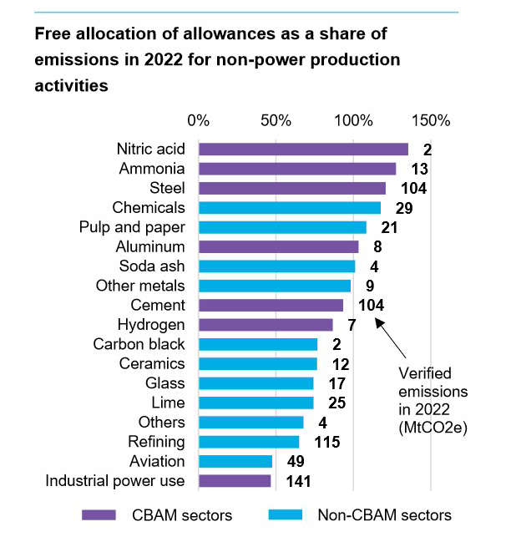

 |  |  |  |  | EU ETS | EPS

 |  |  |  |  |  | agriculture and forestry 01T03
 |  |  |  |  |  | coal mining 05
 |  |  |  |  |  | oil and gas extraction 06
 |  |  |  |  |  | other mining and quarrying 07T08
 |  |  |  |  |  | food beverage and tobacco 10T12
 |  |  |  |  |  | textiles apparel and leather 13T15
 |  |  |  |  |  | wood products 16
 |  |  |  |  | Pulp an Paper | pulp paper and printing 17T18
 |  |  |  | 65 | Refining | refined petroleum and coke 19
 |  |  |  |  | Nitric Acid, Ammonia, Chemicals, soda ash, Hydrogen, Carbon black | chemicals 20
 |  |  |  |  |  | rubber and plastic products 22
 |  |  |  | 74 | Glass | glass and glass products 231
 |  |  |  |  | Cement, lime, ceramics | cement and other nonmetallic minerals 239
 |  |  |  |  | Steel | iron and steel 241
 |  |  |  |  | Other metals, Aluminium | other metals 242
 |  |  |  |  |  | metal products except machinery and vehicles 25
 |  |  |  |  |  | computers and electronics 26
 |  |  |  |  |  | appliances and electrical equipment 27
 |  |  |  |  |  | other machinery 28
 |  |  |  |  |  | road vehicles 29
 |  |  |  |  |  | nonroad vehicles 30
 |  |  |  |  |  | other manufacturing 31T33
 |  |  |  |  |  | energy pipelines and gas processing 352T353
 |  |  |  |  |  | water and waste 36T39
 | Cement | Lime | Ceramics |  |  | construction 41T43
value | 93.2 | 74.2 | 76.2
verified emissions [MtCO2] | 104 | 25 | 12

weghted average | 88.4

